Sheet1
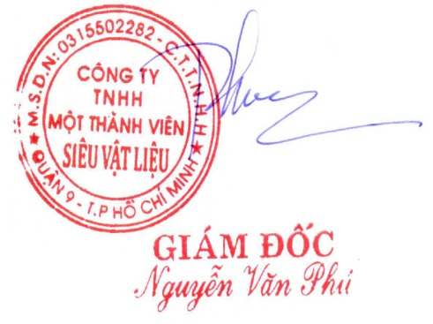
SUPER MATERIALS ONE MEMBER COMPANY LIMITED
Tax Code. 0315502282 | Postal Code. 700000
A. 201/15 Le Van Viet Street, Hiep Phu Ward, District 9, Ho Chi Minh City, Vietnam
T. +84 98 9944 746 | F. -
E. sales@ss-materials.com | W. www.ss-materials.com

PURCHASE ORDER
 |  |  |  | PO No.: SM-HAYNES/100719
 |  |  |  |  |  | Date: July 10, 2019
FROM: SUPER MATERIALS ONE MEMBER COMPANY LIMITED 201/15 Le Van Viet Street, Hiep Phu Ward, District 9, Ho Chi Minh City, Vietnam T. +84 98 9944 746 | F. - |  |  |  | TO: HAYNES INTERNATIONAL, INC. 1020 W. Park Avenue P.O.Box 9013, Kokomo, Indiana 46904-9013, USA T. +65 6468 8768 | F. +65 6468 1968 Attn: Mike Low (Mr. )

Thank you for your offer, we are pleased to ORDER the following materials:

No. | Items and Description |  |  | Quantity (Pc) | Unit Price (USD/pc) |  | Total Price (USD)

1 | HASTELLOY® X ALLOY SHEET |  |  | 1 |  | 720.0 |  | 720.0
 | Spec: ASTM-B-435, 06 (2016), UNS# N06002
 | Mill origin: Haynes International, Inc. / USA
 | Size: 0.125" Thk (min/max range: 0.120" - 0.130"), 21.660" Wide, 48.000" Long
2 | HASTELLOY® X ALLOY SHEET |  |  | 1 |  | 5.0 |  | 5.0
 | Spec: ASTM-B-435, 06 (2016), UNS# N06002
 | Mill origin: Haynes International, Inc. / USA
 | Size: 0.0235" Thk (min/max range: 0.022" - 0.025"), 3.940" Wide, 7.880" Long

TOTAL |  | Ex-Works USA |  |  | USD |  | 725.0

* Lead time: |  |  | 15 working days.
* Delivery term: |  |  | Ex-Works USA (self-collection).
* Payment: |  |  | 100% in advance.
* Required documents: |  |  | Mill Test Certificates, Certificate of Origin, Commercial Invoice, Packing List.
* Packing & marking: |  |  | Standard packing for export; Require original marking on surface of materials. In case material is cut from a big sheet please do marking Heat No., Material Grade, Size, Mill Maker and Origin by stencil, and send us pictures about original marking (of the big sheet) through email; Send us pictures about materials after packing through email.

*Please attach carefully all the required documents mentioned above in/on the cargo. **All bank charges inside Vietnam are covered by Buyer and all bank charges outside Vietnam has to be covered by Seller.

Thanks & Best Regards,
CONFIRMATION OF BUYER |  |  |  | CONFIRMATION OF SELLER

